Sheet1
Please enter the details for up to 5 events below the examples and send the completed Event Tracking spreadsheet to support@siteimprove.com
 | Category | Action | Label | URL example | Screenshot | Comments
Event Number | Name of Category to be tracked, e.g. Form, Email, Dropdown, etc. | Name of Action to be tracked, e.g. Submit, Click, Open, | Label to be collected, e.g. [Name of form submitted], [Email address clicked] | e.g. Please track on pages in the /News/ section OR Please track the entire website. | Please attach a screenshot indicating the event to be tracked. | Any additional comments, e.g. If applicable provide the reason you'd like to track this interaction.
Example | e.g. Form | e.g. Submit | e.g. [Form Title] | e.g. The /myforms/ folder only | 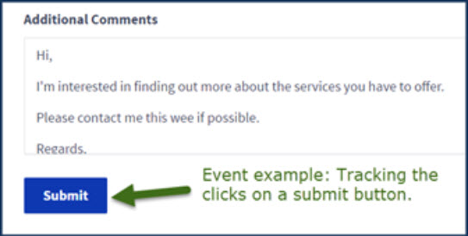 | e.g. I need to know how many website visitors sumbit a contact form
1
2
3
4
5
NOTE: If you need tracking on more than 5 events, please add the next 5 in a separate spreadsheet and support ticket.

Sheet2


